Welcome
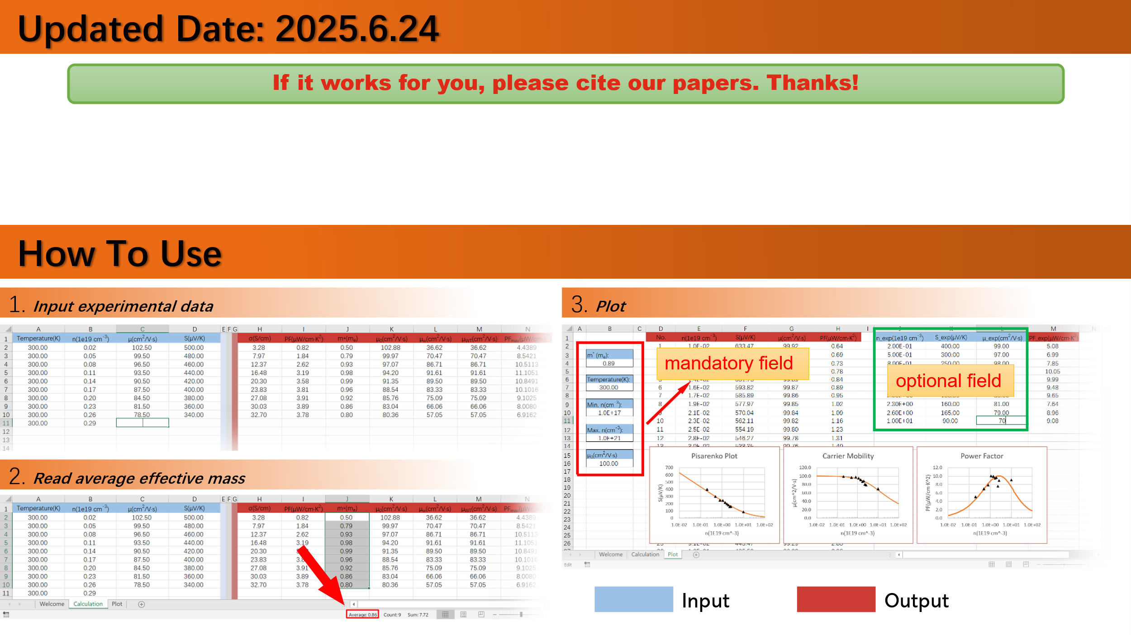
The latest version is available at https://github.com/JianboHIT/rSPB .

[1] Zhu J, Zhang X, Guo M, et al. Restructured single parabolic band model for quick analysis in thermoelectricity. npj Comput. Mater., 2021, 7:116. (Restructured single parabolic band model)
[2] Zhu J, Liu M, Dong X, et al. Revisiting thermoelectric transport properties through a band nonparabolicity factor. Natl. Sci. Rev., 2025:nwaf216. (ξ-modified Lorenz number calculations)

Plot
 | No. | n(1e19 cm-3) | S(μV/K) | μ(cm2/V·s) | PF(μW/cm·K2) | n_exp(1e19 cm-3) | S_exp(μV/K) | μ_exp(cm2/V·s) | PF_exp(μW/cm·K2)
 | 1 | 0.10 | 456.82 | 98.40 | 3.29 | 0.20 | 400.00 | 99.00 | 5.08
m* (me): | 2 | 0.11 | 450.90 | 98.35 | 3.43
1.05 | 3 | 0.11 | 444.98 | 98.31 | 3.58
 | 4 | 0.12 | 439.07 | 98.26 | 3.73
μ0(cm2/V·s) | 5 | 0.13 | 433.16 | 98.21 | 3.89
99.00 | 6 | 0.14 | 427.25 | 98.15 | 4.05
 | 7 | 0.15 | 421.34 | 98.09 | 4.22
Temperature(K): | 8 | 0.16 | 415.44 | 98.03 | 4.40
300.00 | 9 | 0.17 | 409.54 | 97.96 | 4.57
 | 10 | 0.19 | 403.64 | 97.89 | 4.76
Min. n(cm-3): | 11 | 0.20 | 397.75 | 97.81 | 4.95
1.0E+18 | 12 | 0.21 | 391.87 | 97.73 | 5.14
Pisarenko Plot
 | S(μV/K) |  | S_exp(μV/K)
0.10 | 456.82 | 0.20 | 400.00
0.11 | 450.90
0.11 | 444.98
0.12 | 439.07
0.13 | 433.16
0.14 | 427.25
0.15 | 421.34
0.16 | 415.44
0.17 | 409.54
0.19 | 403.64
0.20 | 397.75
0.21 | 391.87
0.23 | 385.98
0.25 | 380.11
0.26 | 374.23
0.28 | 368.37
0.30 | 362.51
0.32 | 356.65
0.35 | 350.81
0.37 | 344.97
0.40 | 339.13
0.43 | 333.31
0.46 | 327.50
0.49 | 321.69
0.52 | 315.90
0.56 | 310.11
0.60 | 304.34
0.65 | 298.58
0.69 | 292.84
0.74 | 287.11
0.79 | 281.39
0.85 | 275.69
0.91 | 270.01
0.98 | 264.34
1.05 | 258.70
1.12 | 253.07
1.20 | 247.47
1.29 | 241.89
1.38 | 236.34
1.48 | 230.81
1.58 | 225.31
1.70 | 219.85
1.82 | 214.41
1.95 | 209.00
2.09 | 203.64
2.24 | 198.30
2.40 | 193.01
2.57 | 187.76
2.75 | 182.56
2.95 | 177.40
...
Carrier Mobility
 | μ(cm2/V·s) |  | μ_exp(cm2/V·s)
0.10 | 98.40 | 0.20 | 99.00
0.11 | 98.35
0.11 | 98.31
0.12 | 98.26
0.13 | 98.21
0.14 | 98.15
0.15 | 98.09
0.16 | 98.03
0.17 | 97.96
0.19 | 97.89
0.20 | 97.81
0.21 | 97.73
0.23 | 97.64
0.25 | 97.54
0.26 | 97.44
0.28 | 97.34
0.30 | 97.22
0.32 | 97.10
0.35 | 96.97
0.37 | 96.83
0.40 | 96.68
0.43 | 96.52
0.46 | 96.35
0.49 | 96.18
0.52 | 95.99
0.56 | 95.78
0.60 | 95.57
0.65 | 95.34
0.69 | 95.10
0.74 | 94.84
0.79 | 94.57
0.85 | 94.29
0.91 | 93.98
0.98 | 93.66
1.05 | 93.32
1.12 | 92.96
1.20 | 92.58
1.29 | 92.19
1.38 | 91.77
1.48 | 91.32
1.58 | 90.86
1.70 | 90.38
1.82 | 89.87
1.95 | 89.33
2.09 | 88.77
2.24 | 88.19
2.40 | 87.58
2.57 | 86.95
2.75 | 86.29
2.95 | 85.61
...
Power Factor
 | PF(μW/cm·K2) |  | PF_exp(μW/cm·K2)
0.10 | 3.29 | 0.20 | 5.08
0.11 | 3.43
0.11 | 3.58 |  | 0.00
0.12 | 3.73 |  | 0.00
0.13 | 3.89 |  | 0.00
0.14 | 4.05 |  | 0.00
0.15 | 4.22 |  | 0.00
0.16 | 4.40 |  | 0.00
0.17 | 4.57 |  | 0.00
0.19 | 4.76 |  | 0.00
0.20 | 4.95 |  | 0.00
0.21 | 5.14 |  | 0.00
0.23 | 5.34 |  | 0.00
0.25 | 5.54 |  | 0.00
0.26 | 5.75 |  | 0.00
0.28 | 5.96 |  | 0.00
0.30 | 6.18 |  | 0.00
0.32 | 6.40 |  | 0.00
0.35 | 6.63 |  | 0.00
0.37 | 6.86 |  | 0.00
0.40 | 7.09 |  | 0.00
0.43 | 7.33 |  | 0.00
0.46 | 7.57 |  | 0.00
0.49 | 7.81 |  | 0.00
0.52 | 8.05 |  | 0.00
0.56 | 8.30 |  | 0.00
0.60 | 8.55 |  | 0.00
0.65 | 8.79 |  | 0.00
0.69 | 9.04 |  | 0.00
0.74 | 9.29 |  | 0.00
0.79 | 9.53 |  | 0.00
0.85 | 9.77 |  | 0.00
0.91 | 10.01 |  | 0.00
0.98 | 10.25 |  | 0.00
1.05 | 10.48 |  | 0.00
1.12 | 10.70 |  | 0.00
1.20 | 10.92 |  | 0.00
1.29 | 11.13 |  | 0.00
1.38 | 11.34 |  | 0.00
1.48 | 11.53 |  | 0.00
1.58 | 11.71 |  | 0.00
1.70 | 11.88 |  | 0.00
1.82 | 12.04 |  | 0.00
1.95 | 12.19 |  | 0.00
2.09 | 12.32 |  | 0.00
2.24 | 12.44 |  | 0.00
2.40 | 12.54 |  | 0.00
2.57 | 12.62 |  | 0.00
2.75 | 12.69 |  | 0.00
2.95 | 12.74 |  | 0.00
...
 | 13 | 0.23 | 385.98 | 97.64 | 5.34
Max. n(cm-3): | 14 | 0.25 | 380.11 | 97.54 | 5.54
1.0E+21 | 15 | 0.26 | 374.23 | 97.44 | 5.75
 | 16 | 0.28 | 368.37 | 97.34 | 5.96
 | 17 | 0.30 | 362.51 | 97.22 | 6.18
 | 18 | 0.32 | 356.65 | 97.10 | 6.40
 | 19 | 0.35 | 350.81 | 96.97 | 6.63
 | 20 | 0.37 | 344.97 | 96.83 | 6.86
 | 21 | 0.40 | 339.13 | 96.68 | 7.09
 | 22 | 0.43 | 333.31 | 96.52 | 7.33
 | 23 | 0.46 | 327.50 | 96.35 | 7.57
 | 24 | 0.49 | 321.69 | 96.18 | 7.81
 | 25 | 0.52 | 315.90 | 95.99 | 8.05
 | 26 | 0.56 | 310.11 | 95.78 | 8.30
 | 27 | 0.60 | 304.34 | 95.57 | 8.55
 | 28 | 0.65 | 298.58 | 95.34 | 8.79
 | 29 | 0.69 | 292.84 | 95.10 | 9.04
 | 30 | 0.74 | 287.11 | 94.84 | 9.29
 | 31 | 0.79 | 281.39 | 94.57 | 9.53
 | 32 | 0.85 | 275.69 | 94.29 | 9.77
 | 33 | 0.91 | 270.01 | 93.98 | 10.01
 | 34 | 0.98 | 264.34 | 93.66 | 10.25
 | 35 | 1.05 | 258.70 | 93.32 | 10.48
 | 36 | 1.12 | 253.07 | 92.96 | 10.70
 | 37 | 1.20 | 247.47 | 92.58 | 10.92
 | 38 | 1.29 | 241.89 | 92.19 | 11.13
 | 39 | 1.38 | 236.34 | 91.77 | 11.34
 | 40 | 1.48 | 230.81 | 91.32 | 11.53
 | 41 | 1.58 | 225.31 | 90.86 | 11.71
 | 42 | 1.70 | 219.85 | 90.38 | 11.88
 | 43 | 1.82 | 214.41 | 89.87 | 12.04
 | 44 | 1.95 | 209.00 | 89.33 | 12.19
 | 45 | 2.09 | 203.64 | 88.77 | 12.32
 | 46 | 2.24 | 198.30 | 88.19 | 12.44
 | 47 | 2.40 | 193.01 | 87.58 | 12.54
 | 48 | 2.57 | 187.76 | 86.95 | 12.62
 | 49 | 2.75 | 182.56 | 86.29 | 12.69
 | 50 | 2.95 | 177.40 | 85.61 | 12.74
 | 51 | 3.16 | 172.29 | 84.90 | 12.77
 | 52 | 3.39 | 167.23 | 84.16 | 12.78
 | 53 | 3.63 | 162.22 | 83.40 | 12.77
 | 54 | 3.89 | 157.27 | 82.62 | 12.74
 | 55 | 4.17 | 152.38 | 81.81 | 12.69
 | 56 | 4.47 | 147.55 | 80.98 | 12.62
 | 57 | 4.79 | 142.78 | 80.12 | 12.53
 | 58 | 5.13 | 138.08 | 79.25 | 12.42
 | 59 | 5.50 | 133.46 | 78.35 | 12.29
 | 60 | 5.89 | 128.90 | 77.43 | 12.14
 | 61 | 6.31 | 124.42 | 76.49 | 11.97
 | 62 | 6.76 | 120.02 | 75.53 | 11.78
 | 63 | 7.24 | 115.69 | 74.55 | 11.58
 | 64 | 7.76 | 111.45 | 73.56 | 11.36
 | 65 | 8.32 | 107.30 | 72.56 | 11.13
 | 66 | 8.91 | 103.23 | 71.54 | 10.89
 | 67 | 9.55 | 99.26 | 70.50 | 10.63
 | 68 | 10.23 | 95.37 | 69.46 | 10.36
 | 69 | 10.96 | 91.59 | 68.41 | 10.08
 | 70 | 11.75 | 87.89 | 67.35 | 9.79
 | 71 | 12.59 | 84.30 | 66.29 | 9.50
 | 72 | 13.49 | 80.80 | 65.22 | 9.20
 | 73 | 14.45 | 77.40 | 64.14 | 8.90
 | 74 | 15.49 | 74.11 | 63.07 | 8.59
 | 75 | 16.60 | 70.91 | 61.99 | 8.29
 | 76 | 17.78 | 67.82 | 60.91 | 7.98
 | 77 | 19.05 | 64.83 | 59.84 | 7.68
 | 78 | 20.42 | 61.95 | 58.77 | 7.38
 | 79 | 21.88 | 59.16 | 57.70 | 7.08
 | 80 | 23.44 | 56.48 | 56.64 | 6.79
 | 81 | 25.12 | 53.90 | 55.58 | 6.50
 | 82 | 26.92 | 51.42 | 54.53 | 6.22
 | 83 | 28.84 | 49.04 | 53.49 | 5.94
 | 84 | 30.90 | 46.76 | 52.45 | 5.68
 | 85 | 33.11 | 44.58 | 51.43 | 5.42
 | 86 | 35.48 | 42.49 | 50.42 | 5.17
 | 87 | 38.02 | 40.49 | 49.42 | 4.93
 | 88 | 40.74 | 38.58 | 48.43 | 4.70
 | 89 | 43.65 | 36.76 | 47.45 | 4.48
 | 90 | 46.77 | 35.03 | 46.48 | 4.27
 | 91 | 50.12 | 33.38 | 45.53 | 4.07
 | 92 | 53.70 | 31.81 | 44.59 | 3.88
 | 93 | 57.54 | 30.32 | 43.66 | 3.70
 | 94 | 61.66 | 28.91 | 42.75 | 3.53
 | 95 | 66.07 | 27.56 | 41.85 | 3.37
 | 96 | 70.79 | 26.29 | 40.97 | 3.21
 | 97 | 75.86 | 25.09 | 40.10 | 3.07
 | 98 | 81.28 | 23.95 | 39.25 | 2.93
 | 99 | 87.10 | 22.88 | 38.41 | 2.80
 | 100 | 93.33 | 21.86 | 37.58 | 2.69
 | 101 | 100.00 | 20.90 | 36.77 | 2.57

Formula List
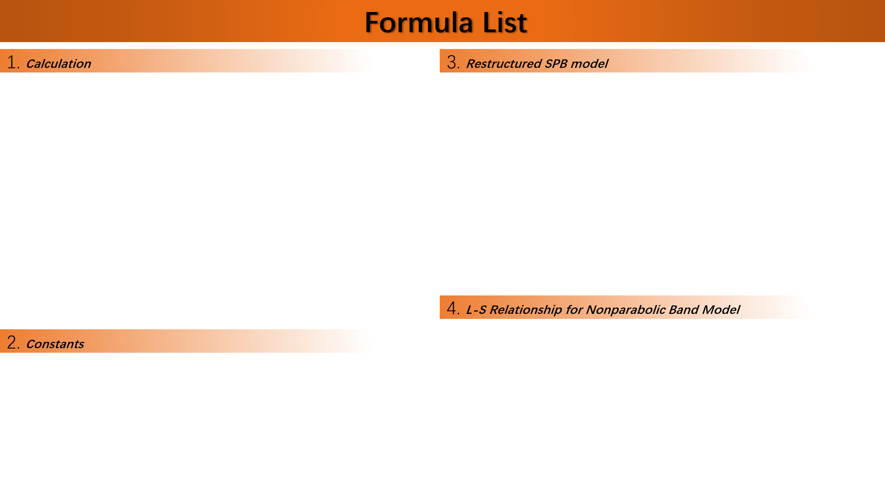

${\left(\frac{m^{∗}}{m_{e}}\frac{T/K}{300}\right)}^{3/2}=\frac{n}{n_{m,0}}\left[\exp\left(\frac{S}{S_{0}}−2\right)−0.1455\right]$
$μ_{0}=μ⋅{\left[1+{\left(\frac{m^{∗}}{m_{e}}\frac{T/K}{300}\right)}^{−3/2}\frac{n}{2n_{m,0}}\right]}^{1/3}$
$μ_{WT}=μ_{0}⋅{\left(\frac{m^{∗}}{m_{e}}\frac{T/K}{300}\right)}^{3/2},μ_{w}=μ_{0}⋅{\left(\frac{m^{∗}}{m_{e}}\right)}^{3/2}$
$PF_{max}/μWcm^{−1}K^{−2}=0.1212 μ_{WT}/cm^{2}V^{−1}s^{−1}$
$n=n_{m,0}{\left(\frac{m^{∗}}{m_{e}}\frac{T/K}{300}\right)}^{3/2}⋅n_{r}$
$σ=n_{m,0}qμ_{WT}⋅n_{r}{\left(1+\frac{n_{r}}{2}\right)}^{−1/3}$
$S=S_{0}⋅\ln\left(1.075+\frac{e^{2}}{n_{r}}\right)$
$L=L_{0}⋅\left\{2+\frac{π^{2}/3 − 2}{{\left[{1+\left(2π/n_{r}\right)}^{3/2}\right]}^{2/3}}\right\}$
$PF=S_{0}^{2}n_{m,0}qμ_{WT}⋅n_{r}{\left(1+\frac{n_{r}}{2}\right)}^{−1/3}\ln^{2}\left(1.075+\frac{e^{2}}{n_{r}}\right)$

$ξ=\frac{3}{2Δ+3}=\frac{3}{2E_{Δ}/\left(k_{B}T\right)+3}$
$L_{min}=2−2ξ+ξ^{2}$
$p_{ξ}=−0.33+6.90ξ−7.78ξ^{2}+2.75ξ^{3}$
$q_{ξ}=−0.14+4.08ξ−2.13ξ^{2}$
$L=L_{0}\frac{π^{2}/3+p_{ξ}S_{r}+L_{min}S_{r}^{2}}{1+q_{ξ}S_{r}+S_{r}^{2}}$

$n_{m,0}=2.5094×{10}^{19}cm^{−3}$
$S_{0}=86.1733 μVK^{−1}$
$L_{0}=0.7426×{10}^{−8}WΩK^{−2}$
$q=1.6021766341×{10}^{−19}C$

